QN 5 answers
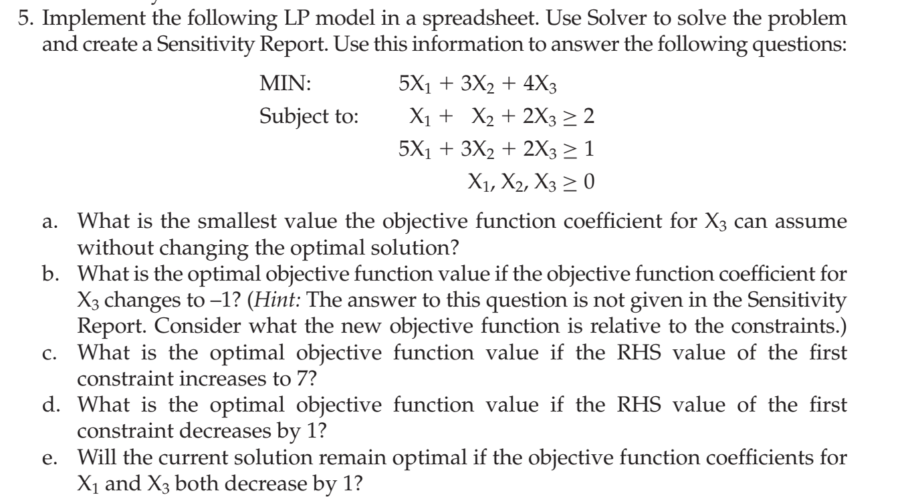

 | Coefficients
Constraints | X1 | X2 | X3 | Actual value | Boundary value
1 | 1 | 1 | 2 | 2 | 2
2 | 5 | 3 | 2 | 2 | 1
 | Objective
 | 5 | 3 | 4 | Minimize | 4
 | X1 | X2 | X3
Variable | 0 | 0 | 1

a) | The smallest value the objective function coefficient for X3 can assume without changing the optimal solution is 4-4=0

b) | There won't be a feasible soultion if the objective function coefficient for X3 changes to -1. Due to this all constraints will be satisfied for unbounded value of variable X3

c) | The optimal objective function value if the RHS value of the first constraint increases to 7 is 4+(7-2)*2=14

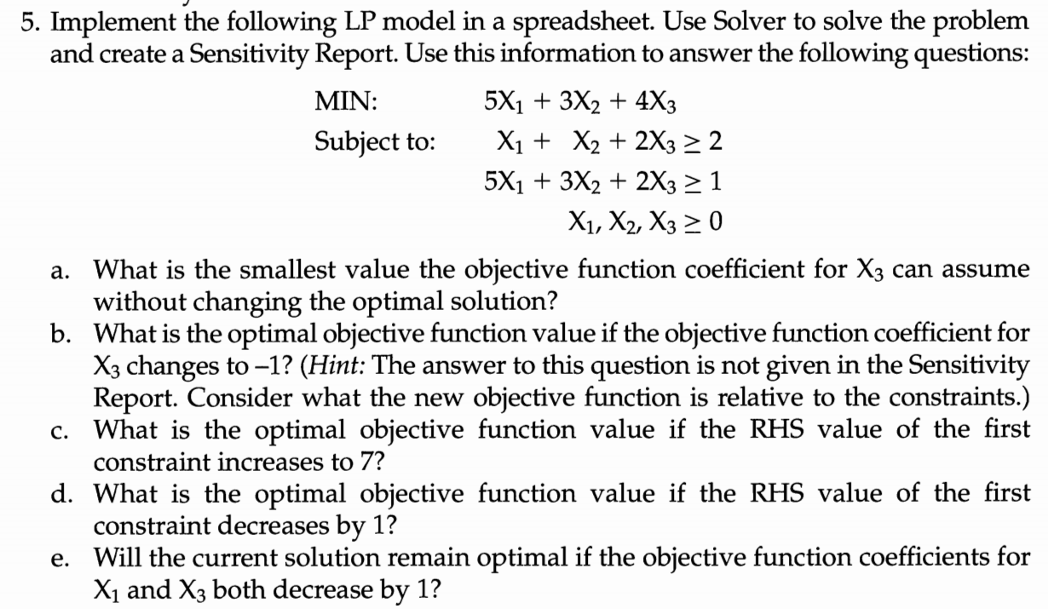
d) | The optimal objective function value if the RHS value of the first constraint decreases by 1 is 4-2=2

d) | Yes, the current solution remains optimal if the objective function coefficients for X1 and X3 both decreases by 1. In fact the optimal solution becomes even better when the coefficients are decreased by 1. It is also evident from the sensitivity report as allowable decrease in coefficient of X1 and X3 are 3 and 4 respectively. The combined changes from these coefficients will be 1/3+1/4=7/12<1. Hence, the optimal solution will get even better, or gets even lesser.

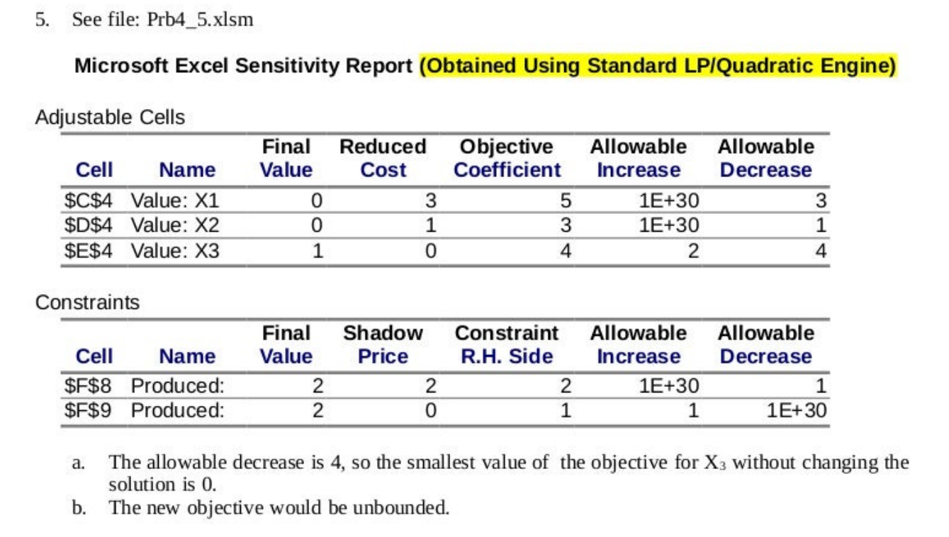

 |  |  |  |  |  | Nirmal Prasad Panta

